AUSAAIC_8405017
Year/Period | Type | Check# | Vendor Name | Date | Amount
2019/02 | C |  | Wire to WK Webster & Co Ltd | 2019-02-01 | -2,934.49
2019/02 | PREM |  | Wire from USI Midsouth | 2019-02-01 | 1,161.00
2019/02 | PREM |  | Wire from Amwins Brokerage | 2019-02-01 | 16,877.50
2019/02 | PREM |  | Wire from Worldwide Facilites | 2019-02-01 | 20,501.25
2019/02 | PREM |  | Wire from Willis of New York Inc Premium Fund | 2019-02-01 | 24,022.30
2019/02 | PREM |  | Wire from USI Indiv | 2019-02-01 | 32,202.40
2019/02 | PREM |  | Wire from ABD Insurance | 2019-02-01 | 32,665.60
2019/02 | PREM |  | Wire from Global Surety LLC | 2019-02-01 | 53,025.00
2019/02 | DISB |  | Disbursement Funding to Acc (..2432) | 2019-02-01 | -139,496.58
2019/02 | MMF |  | Wire to NA Business Omnibus Acct. 30535524 | 2019-02-01 | -83,575.22
2019/02 | PREM | 1462 | Deposit from Kore Insurance | 2019-02-04 | 788.00
2019/02 | PREM |  | Wire from Woodruff Sawyer & Co. Trust Account | 2019-02-04 | 2,592.50
2019/02 | PREM | 56267 | Deposit from Palmer & Cay LLC | 2019-02-04 | 7,035.00
2019/02 | PREM |  | Wire from Willis of New York Inc Premium Fund | 2019-02-04 | 25,250.00
2019/02 | PREM | 16350 | Deposit from Integro USA Inc | 2019-02-04 | 47,880.00
2019/02 | PREM |  | Wire from Parker, Smith | 2019-02-04 | 121,909.00
2019/02 | EXP |  | EFT to NIPRAPPS St of WY | 2019-02-04 | -1,818.00
2019/02 | EXP |  | EFT to NIPRAPPS St of WY | 2019-02-04 | -3.00
2019/02 | SERFF |  | EFT to State of ME | 2019-02-04 | -20.00
2019/02 | SERFF |  | EFT to State of MN | 2019-02-04 | -125.00
2019/02 | SERFF |  | EFT to State of MO | 2019-02-04 | -150.00
2019/02 | SERFF |  | EFT to State of MS | 2019-02-04 | -31.00
2019/02 | SERFF |  | EFT to State of NV | 2019-02-04 | -20.00
2019/02 | C |  | Returned Wire to U.S. Adjustment Corp ACF Aspen U.S. Services | 2019-02-04 | 301,858.43
2019/02 | DISB |  | Disbursement Funding to Acc (..2432) | 2019-02-04 | -1,331,352.18
2019/02 | MMF RDMP |  | Wire from NA Business Omnibus Acct. 30535524 | 2019-02-04 | 887,436.24
2019/02 | PREM | 106836 | Deposit from Alliant Insurance Services, Inc | 2019-02-05 | 304.00
2019/02 | PREM | 253669 | Deposit from Alliant Insurance Services, Inc | 2019-02-05 | 353.00
2019/02 | PREM | 253847 | Deposit from Alliant Insurance Services, Inc | 2019-02-05 | 850.00
2019/02 | PREM | 12203 | Deposit from Peter Waldor & Associates | 2019-02-05 | 1,451.19
2019/02 | PREM | 321625 | Deposit from Alliant Insurance Services, Inc | 2019-02-05 | 1,724.80
2019/02 | PREM | 79787 | Deposit from Mcgriff,Siebels & Williams, inc | 2019-02-05 | 1,785.00
2019/02 | PREM | 1336 | Deposit from Integro USA Inc. | 2019-02-05 | 1,794.00
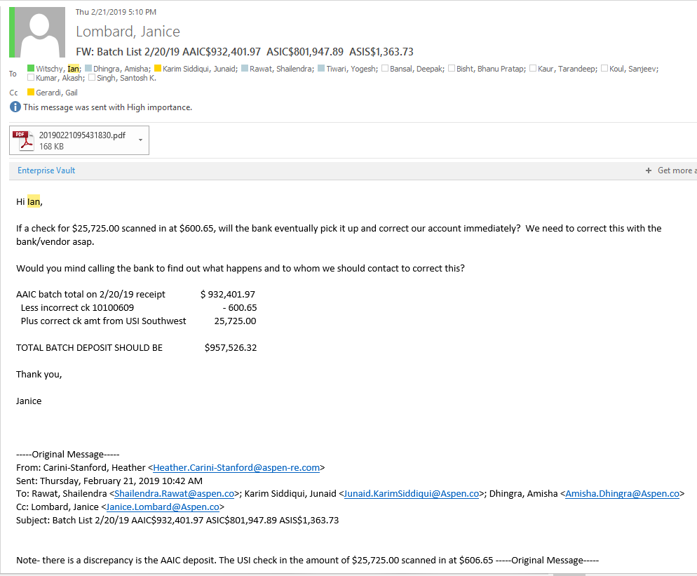
2019/02 | PREM | 10044742 | Deposit from Hub International Limited | 2019-02-05 | 2,380.50
2019/02 | PREM | 27226 | Deposit from Alliant Insurance Services, Inc | 2019-02-05 | 2,527.87
2019/02 | PREM | 110724 | Deposit from 'Alliant | 2019-02-05 | 2,622.00
2019/02 | PREM |  | Wire from Stephens Indiv | 2019-02-05 | 3,663.20
2019/02 | PREM |  | Wire from Worldwide Facilites | 2019-02-05 | 3,690.00
2019/02 | PREM | 79677 | Deposit from Mcgriff,Siebels & Williams, inc | 2019-02-05 | 3,820.75
2019/02 | PREM | 10044802 | Deposit from Hub International Limited | 2019-02-05 | 5,530.70
2019/02 | PREM | 321610 | Deposit from Alliant Insurance Services, Inc | 2019-02-05 | 6,068.80
2019/02 | PREM | 3072 | Deposit from Altamont Insurance Group LLC | 2019-02-05 | 6,160.00
2019/02 | PREM |  | ACH Credit from AON Risk Services companies, Inc. with PFTA Sweep | 2019-02-05 | 6,257.70
2019/02 | PREM | 94916 | Deposit from Risk Placement Services Inc | 2019-02-05 | 8,250.00
2019/02 | PREM |  | ACH Credit from W US Holding Com | 2019-02-05 | 8,712.00
2019/02 | PREM | 10044415 | Deposit from Hub International Limited | 2019-02-05 | 12,750.00
2019/02 | PREM | 644481 | Deposit from Edgewood Partners Ins. Center | 2019-02-05 | 17,510.00
2019/02 | PREM | 79680 | Deposit from Mcgriff,Siebels & Williams, inc | 2019-02-05 | 20,174.80
2019/02 | PREM | 23860 | Deposit from Insurance Office of America, Inc. | 2019-02-05 | 32,576.05
2019/02 | PREM | 32614 | Deposit from Herbert L Jamison & Co, LLC | 2019-02-05 | 61,875.00
2019/02 | PREM | 142398 | Deposit from Arthur J. Gallagher & Co. | 2019-02-05 | 84,546.75
2019/02 | PREM |  | Wire from Marsh USA,Inc | 2019-02-05 | 88,759.60
2019/02 | DISB |  | Disbursement Funding to Acc (..2432) | 2019-02-05 | -1,123,620.94
2019/02 | MMF RDMP |  | Wire from NA Business Omnibus Acct. 30535524 | 2019-02-05 | 954,242.94
2019/02 | BWIC |  | Transfer to Blue Waters Insurance Corp | 2019-02-06 | -80,000.00
2019/02 | C |  | ACH to Gaglione Dolan & Kaplan | 2019-02-06 | -69,182.00
2019/02 | PREM | 3307 | Deposit from Compass Rose and sons, Inc. | 2019-02-06 | 1,675.02
2019/02 | PREM |  | Wire from AON Risk Services companies, Inc. with PFTA Sweep | 2019-02-06 | 4,541.55
2019/02 | PREM |  | Wire from TCE Insurance Services Inc | 2019-02-06 | 4,615.40
2019/02 | PREM |  | Wire from Seamountain Insurance Brokers Inc | 2019-02-06 | 7,573.10
2019/02 | PREM | 1949 | Deposit from American Global LLC | 2019-02-06 | 10,653.11
2019/02 | PREM |  | Wire from Willis of Pennsylvania Inc | 2019-02-06 | 24,521.60
2019/02 | PREM |  | Wire from Willis Insurance Services of Georgia, Inc | 2019-02-06 | 25,900.00
2019/02 | PREM | 10045691 | Deposit from Hub | 2019-02-06 | 28,993.20
2019/02 | PREM |  | Wire from USI Southwest Inc | 2019-02-06 | 59,500.00
2019/02 | PREM |  | Wire from Willis of New York Inc | 2019-02-06 | 66,000.00
2019/02 | PREM |  | Wire from Willis of Alabama | 2019-02-06 | 79,635.00
2019/02 | PREM | 142421 | Deposit from Arthur J. Gallagher & Co. | 2019-02-06 | 82,785.72
2019/02 | PREM | 998024762 | Deposit from Crystal & Company | 2019-02-06 | 120,000.00
2019/02 | DISB |  | Disbursement Funding to Acc (..2432) | 2019-02-06 | -570,064.57
2019/02 | MMF RDMP |  | Wire from NA Business Omnibus Acct. 30535524 | 2019-02-06 | 91,904.71
2019/02 | C |  | Wire to MICHAEL SCHNEIDER | 2019-02-07 | -20,932.83
2019/02 | C |  | Wire to Travel Guard Inc | 2019-02-07 | -19,939.50
2019/02 | C |  | ACH to FBO Aspen American Insurance Co | 2019-02-07 | -6,288.32
2019/02 | C |  | Wire to Integra Technical Services LTD | 2019-02-07 | -5,599.38
2019/02 | PREM |  | Wire from Worldwide Facilites | 2019-02-07 | 2,062.50
2019/02 | PREM |  | Wire from Parker, Smith | 2019-02-07 | 22,440.00
2019/02 | PREM | 17465 | Deposit from FABIANI COHEN & HALL, LLP | 2019-02-07 | 1,829.48
2019/02 | PREM | 16258 | Deposit from Marine Services & Assist | 2019-02-07 | 2,500.00
2019/02 | EXP |  | EFT to Florida DFSAA | 2019-02-07 | -420.00
2019/02 | REINS |  | Wire from HSB Insp Ins | 2019-02-07 | 23,060.55
2019/02 | DISB |  | Disbursement Funding to Acc (..2432) | 2019-02-07 | -62,235.87
2019/02 | MMF |  | Wire to NA Business Omnibus Acct. 30535524 | 2019-02-07 | -120,285.91
2019/02 | C |  | Wire to York Risk Services Group Inc Client Escrow Acct obo AAIC-Brown & Brown Prof Plan for Dentists Programe | 2019-02-08 | -394,548.34
2019/02 | C |  | Wire to NAHGA INC. | 2019-02-08 | -6,429.06
2019/02 | PREM | 79854 | Deposit from McGriff, Seibels | 2019-02-08 | 800.00
2019/02 | PREM | 182329 | Depsoit from Worldwide Facilities | 2019-02-08 | 829.12
2019/02 | PREM | 12215 | Deposit from Peter Waldor & Associates | 2019-02-08 | 836.41
2019/02 | PREM |  | Wire from Willis of New York Inc | 2019-02-08 | 13,782.75
2019/02 | PREM | 220011696 | Deposit from J Smith Lanier | 2019-02-08 | 18,837.60
2019/02 | PREM |  | Wire from Willis US Holding Company | 2019-02-08 | 26,690.00
2019/02 | PREM | 182848 | Deposit from Worldwide Facilities | 2019-02-08 | 30,434.75
2019/02 | PREM |  | Wire from FORTH WORTH OPER | 2019-02-08 | 36,091.00
2019/02 | PREM |  | ACH Credit from AON Risk Services companies, Inc. with PFTA Sweep | 2019-02-08 | 37,500.00
2019/02 | PREM | 1667 | Deposit from C.A Shea & Company | 2019-02-08 | 54,885.26
2019/02 | PREM | 410013503 | Deposit from J. Smith Lanier | 2019-02-08 | 56,525.00
2019/02 | PREM | 1180 | Deposit from TG International | 2019-02-08 | 65,078.16
2019/02 | PREM | 79866 | Deposit from McGriff, Seibels | 2019-02-08 | 152,772.80
2019/02 | PREM |  | Wire from Guy Carpenter & Company LLC | 2019-02-08 | 227,648.47
2019/02 | PREM |  | Wire from Parker, Smith | 2019-02-08 | 233,580.00
2019/02 | PREM | 2500 | Deposit from JT Bates Insurance | 2019-02-08 | 246,955.79
2019/02 | PREM |  | Wire from Lia Insurance Administrators | 2019-02-08 | 700,910.58
2019/02 | PREM | 38006 | Deposit from Bradley Ins. | 2019-02-08 | 442.40
2019/02 | PREM | 38007 | Deposit from Bradley Ins. | 2019-02-08 | 4,800.00
2019/02 | EXP |  | EFT to Commonwealth DOI | 2019-02-08 | -75.00
2019/02 | EXP |  | EFT to FL DFSAA | 2019-02-08 | -60.00
2019/02 | EXP |  | EFT to NIPRAPPS State of NC | 2019-02-08 | -2,252.30
2019/02 | DISB |  | Disbursement Funding to Acc (..2432) | 2019-02-08 | -594,696.19
2019/02 | MMF |  | Wire to NA Business Omnibus Acct. 30535524 | 2019-02-08 | -659,417.08
2019/02 | C |  | ACH to JLT RE (North America) Inc Premium Account | 2019-02-11 | -18,638.95
2019/02 | PREM |  | Wire from Acrisure LLC | 2019-02-11 | 961.02
2019/02 | PREM | 1485 | Deposit from Sky Coverage | 2019-02-11 | 1,048.55
2019/02 | PREM | 280012826 | Deposit from JSmith Lanier | 2019-02-11 | 3,346.19
2019/02 | PREM | 5670 | Depsoit from Bullen Insurance | 2019-02-11 | 3,661.60
2019/02 | PREM | 59012 | Deposit from RSC Insurance Brokerage | 2019-02-11 | 5,422.68
2019/02 | PREM | 4397 | Deposit from Cross Agency | 2019-02-11 | 5,950.00
2019/02 | PREM | 280012825 | Deposit from JSmith Lanier | 2019-02-11 | 7,392.80
2019/02 | PREM | 10045352 | Depsoit from HUB International Insurance | 2019-02-11 | 10,991.15
2019/02 | PREM | 162794 | Deposit from McGriff, Seibels | 2019-02-11 | 16,333.60
2019/02 | PREM | 79966 | Deposit from McGriff, Seibels | 2019-02-11 | 23,316.80
2019/02 | PREM | 253970 | Depsoit from Alliant Insurance Services | 2019-02-11 | 31,604.90
2019/02 | PREM | 4504 | Deposit from Collinsworth Alter Lambert | 2019-02-11 | 50,994.40
2019/02 | PREM | 12243 | Deposit from Rosenberg & Parker Inc | 2019-02-11 | 143,341.50
2019/02 | PREM |  | Wire from Marsh USA Inc | 2019-02-11 | 232,996.40
2019/02 | PREM |  | Wire from International Risk Solutions Ltd | 2019-02-11 | 833,445.24
2019/02 | EXP |  | EFT to NAICOPTINS(State of ) | 2019-02-11 | -110.00
2019/02 | SERFF |  | EFT to State of ME | 2019-02-11 | -20.00
2019/02 | SERFF |  | EFT to State of NV | 2019-02-11 | -10.00
2019/02 | DISB |  | Disbursement Funding to Acc (..2432) | 2019-02-11 | -58,577.61
2019/02 | MMF |  | Wire to NA Business Omnibus Acct. 30535524 | 2019-02-11 | -1,222,265.99
2019/02 | C |  | Wire to JOSEPH GOWRAN | 2019-02-12 | -9,000.00
2019/02 | PREM | 101146 | Deposit from PENTARISK HOLDING, LLC | 2019-02-12 | 532.00
2019/02 | PREM | 10392 | Depsoit from TAYLOR & TAYLOR, LTD | 2019-02-12 | 648.55
2019/02 | PREM | 13780 | Deposit from World Insurance Associates, LLC | 2019-02-12 | 1,163.86
2019/02 | PREM | 10046098 | Deposit from HUB INTERNATIONAL LIMITED | 2019-02-12 | 1,480.00
2019/02 | PREM | 80042 | Deposit from Mcgriff, Seibels | 2019-02-12 | 2,000.00
2019/02 | PREM | 38018 | Deposit from BRADLEY INSURANCE AGENCY | 2019-02-12 | 2,268.80
2019/02 | PREM | 18395 | Deposit from Brown & Brown | 2019-02-12 | 2,508.00
2019/02 | PREM | 46709 | Deposit from LEVITT-FUIRST ASSOCATES, LTD. | 2019-02-12 | 3,723.44
2019/02 | PREM | 27268 | Deposit from ALLIANT INSURANCE SERVICES, INC | 2019-02-12 | 4,450.00
2019/02 | PREM | 106866 | Deposit from Alliant Insurance Services | 2019-02-12 | 7,913.13
2019/02 | PREM |  | Wire from USI Northwest | 2019-02-12 | 8,244.90
2019/02 | PREM | 1503 | Deposit from KORE INSURANCE HOLDINGS LLC | 2019-02-12 | 9,050.00
2019/02 | PREM | 140997 | Deposit from ANDREINI & COMPANY | 2019-02-12 | 12,274.85
2019/02 | PREM |  | Wire from Frenkel Benefits | 2019-02-12 | 13,975.21
2019/02 | PREM | 10995 | Deposit from HAYS | 2019-02-12 | 15,688.50
2019/02 | PREM | 8974 | Deposit from M & G BROKERAGE INC. | 2019-02-12 | 19,760.00
2019/02 | PREM | 10046103 | Deposit from HUB INTERNATIONAL LIMITED | 2019-02-12 | 29,783.89
2019/02 | PREM | 5369 | Deposit from OCEAN MARINE INSURANCE AGENCY, INC | 2019-02-12 | 30,503.95
2019/02 | PREM | 64506 | Deposit from RC FISCHER & CO | 2019-02-12 | 35,030.20
2019/02 | PREM | 79871 | Deposit from SOUTHWEST RISK, L.P. | 2019-02-12 | 37,286.33
2019/02 | PREM | 15067 | Deposit from WHOLESALE TRADING INSURANCE SERVICES, LLC | 2019-02-12 | 47,437.50
2019/02 | PREM |  | Wire from Amwins Brokerage | 2019-02-12 | 51,975.00
2019/02 | PREM | 321663 | Deposit from Alliant Insurance Services | 2019-02-12 | 59,619.30
2019/02 | PREM | 33866 | Deposit from ARTHUR J. GALLAGHER RISK MANAGEMENT | 2019-02-12 | 62,472.02
2019/02 | PREM | 254149 | Deposit from ALLIANT INSURANCE SERVICES, INC | 2019-02-12 | 112,042.48
2019/02 | REINS |  | ACH to The Hartford Steam Boiler Inspection & Ins. Co | 2019-02-12 | -13,599.30
2019/02 | PREM |  | Wire from Schenker Inc | 2019-02-12 | 20,656.47
2019/02 | DISB |  | Disbursement Funding to Acc (..2432) | 2019-02-12 | -419,065.66
2019/02 | MMF RDMP |  | Wire from NA Business Omnibus Acct. 30535524 | 2019-02-12 | 43,409.21
2019/02 | C |  | WIRE to BURT J. YANKIVER MD | 2019-02-13 | -140,810.90
2019/02 | PREM | 080248 | Deposit from Mcgriff, Siebels & Williams, Inc. | 2019-02-13 | 575.60
2019/02 | PREM | 026774 | Deposit from Szerlip & Company Inc. | 2019-02-13 | 1,244.17
2019/02 | PREM | 080239 | Deposit from Mcgriff, Siebels & Williams, Inc. | 2019-02-13 | 2,625.00
2019/02 | PREM |  | Wire from Willis of New York Inc | 2019-02-13 | 4,275.00
2019/02 | PREM |  | Wire from The Wooditch Co | 2019-02-13 | 17,362.60
2019/02 | PREM |  | Wire from USI Southwest Inc | 2019-02-13 | 28,135.00
2019/02 | PREM | 142569 | Deposit from Arthur J. Gallagher & co. | 2019-02-13 | 91,214.24
2019/02 | PREM |  | Wire from USI Mountain | 2019-02-13 | 117,400.00
2019/02 | PREM | 080225 | Deposit from Mcgriff, Siebels & Williams, Inc. | 2019-02-13 | 274,679.17
2019/02 | C |  | ACH to B&B Protector Plans Inc / Dental Claims Account | 2019-02-13 | -53,257.66
2019/02 | EXP |  | EFT to Commonwealth of MA | 2019-02-13 | -150.00
2019/02 | EXP |  | EFT to Commonwealth of MA | 2019-02-13 | -75.00
...

